PO FORM 2022 SHOREACCCESS
 | PURCHASE ORDER FORM NO : |  |  |  |  | SHOREACCESS MARINE CONSULTANCY CO., LTD:
 |  |  |  | For SHOREACCESS entry |  |  | DATE

VENDOR |  |  |  |  |  | Agent Full address with ZIP Code Tel and E-mail
Ships Name :
Name of Master |  |  |  |  |  |  |  |  |  | ADDITIONAL DELIVERY REMARKS AND OPTION :
or Name of crew incharge for this transaction |  |  |  |  |  |  |  |  |  | Please enter the correct address with ZIP CODE:
E-mail address: |  |  |  |  |  |  |  |  |  | Confirm the cost of addtional handling fee is applicable, we can shoulder this charge depending on the order.
 |  |  |  |  |  |  |  |  |  | OPTION 2: Delivery VIA ships chandler /ships supplier. - For Vessel with an incoming supply of provision or stores we can arrange those companies.
IMPORTANT: Before sending this purchase order form, Please confirm with your agent if they can accept the delivery. Your order can not process unless there is agent acceptance. Alternatively, we can also deliver thru ships chandler or ships manager. |  |  |  |  |  |  |  |  |  | OPTTION 3 : Via Ships Manager in Japan - We can arrange thru your ships superintendent /managers office. This is practical in case they will visti yor Vessel in Ports
No cancellation /No Exchange once your order is confirmed.
 | ETA |  | ETB |  | ETD | Delivery Port of Parcel

No. | Name | Rank | Product descripion /Code |  |  | QTY | UNIT PRICE | TOTAL | PO Code for shoreaccess staff
1 | Juan Dela Cruz | Master | QI WIRLESS CHARGING CAR ACCESSORIES - SA363 |  |  | 3 | $35.00 | $105.00
2 |  |  |  |  |  |  |  | $-
3 |  |  |  |  |  |  |  | $-
4 |  |  |  |  |  |  |  | $- |  |  | NOTE:
5 |  |  |  |  |  |  |  | $- |  |  | 1 Make sure you enter correct ITEM Name , ITEM Cde and pricing .
6 |  |  |  |  |  |  |  | $- |  |  | Example : QI WIRLESS CHARGING CAR ACCESSORIES - SA363
7 |  |  |  |  |  |  |  | $- |  |  | 2. For additional or item cancellation, please resend REVISED. DO NOT send seperate order list just update this form.
8 |  |  |  |  |  |  |  | $- |  |  | 3. Please use additonal sheet if necessary.
9 |  |  |  |  |  |  |  | $- |  |  | 4. It is important to enter crew full name and rank.
10 |  |  |  |  |  |  |  | $-
11 |  |  |  |  |  |  |  | $-
12 |  |  |  |  |  |  |  | $-
13 |  |  |  |  |  |  |  | $-
14 |  |  |  |  |  |  |  | $-
15 |  |  |  |  |  |  |  | $-
16 |  |  |  |  |  |  |  | $-
17 |  |  |  |  |  |  |  | $-
18 |  |  |  |  |  |  |  | $-
19 |  |  |  |  |  |  |  | $-
20 |  |  |  |  |  |  |  | $-
21 |  |  |  |  |  |  |  | $-
22 |  |  |  |  |  |  |  | $-
23 |  |  |  |  |  |  |  | $-
24 |  |  |  |  |  |  |  | $-
25 |  |  |  |  |  |  |  | $-
26 |  |  |  |  |  |  |  | $-
27 |  |  |  |  |  |  |  | $-
28 |  |  |  |  |  |  |  | $-
29 |  |  |  |  |  |  |  | $-
30 |  |  |  |  |  |  |  | $-
31 |  |  |  |  |  |  |  | $-
32 |  |  |  |  |  |  |  | $-
33 |  |  |  |  |  |  |  | $-
34 |  |  |  |  |  |  |  | $-
35 |  |  |  |  |  |  |  | $-
36 |  |  |  |  |  |  |  | $-
37 |  |  |  |  |  |  |  | $-
38 |  |  |  |  |  |  |  | $-
39 |  |  |  |  |  |  |  | $-
40 |  |  |  |  |  |  |  | $-
41 |  |  |  |  |  |  |  | $-
42 |  |  |  |  |  |  |  | $-
43 |  |  |  |  |  |  |  | $-
44 |  |  |  |  |  |  |  | $-
45 |  |  |  |  |  |  |  | $-
46 |  |  |  |  |  |  |  | $-
47 |  |  |  |  |  |  |  | $-
48 |  |  |  |  |  |  |  | $-
49 |  |  |  |  |  |  |  | $-
50 |  |  |  |  |  |  |  | $-
 |  |  |  |  | Items number | 3 |  | 105.00 | Sum | Shoreaccess share Example:
 |  |  |  |  |  |  | Delivery ( If applicable) | 20.00 |  | 50% handling fee to be covered by SHOREACCESS.
 |  |  |  |  | Shoreacdess share |  | if Applicable | 30.00 | Deductilon | Delivery of $15.00 is our standard rate, We can wave this charge depending on the total amount of order.
 |  |  |  |  |  |  | TOTAL | $95.00 |  | Agent request for $20.00 handling fee: You may pay the agent $20.00 in cash
 |  |  |  |  |  |  |  |  |  | Shoreaccess will shoulder 50% or $10.00 to be deducted in the calculation.

To: All Seafarers,

As seafarers' time to go shore for shopping is becoming limited, SHOREACCESS Shopping can shop for all your needs while in Japan and bring them on board.

Furthermore, We can supply goods for your Gift to your family or friends ( PASALUBONG) and deliver them to your Hotel in Japan before your flight back home.

Please announce the SHOREACCESS BALIKBAYAN BOX by sea freight service is now available. This service allows you to purchase products from Japan without limit and send them to your family.

--------------------------------------------------
Delivery option in Japan : ( All Ports )
a) Via Ships agent or Ships chandler
b) Pick a delivery option :

*What is the Pickup delivery - This applies to the crew that is allowed to go shore; we send your order to a service center such Postal office or Yamato center then the Ship's staff will pick it up from this Center.
Most location is near Ports anywhere in Japan. We will provide the address/map, and we can also subsidize a portion of your taxi fare from Ship to the Center.
____________________________

PRODUCTS:
There are thousands of items to choose from our product list. Some items are not included in or catalog.

We can provide various items from electronics, gadgets, shoes, bags, perfume, sunglass, chocolate, soap, clothes, gift items to your families, etc. Please provide the Model, size, color and specification will source the availability and price.
DELIVERY LOCATION:

HOTEL ( in Japan) - Before your flight back home, we can deliver your order to your Hotel. Upon check-in in Hotel, you will receive the item and bring the goods to your flight for a Gift ( Pasalubong ) such as chocolate and others.
Please advise your Hotel name /address in advance.

Crewing agent office in Japan: Ships agents usually assist crew from ships to the airport; we can deliver your order to your agent office and hand it over to you. Please provide the agent's company name in advance. We can coordinate with them.

 |  |  |  | ********************************************************** SHOREACCESS BALIKBAYAN BOX JAPAN TO PHILIPPINES ***************************************************************************************************************
SHOREACCESS BALIKBAYAN BOX SERVICE !! ( NEW!!)
DELIVERY DIRECT TO YOUR HOME ADDRESS IN THE PHILIPPINES:

Over the years, shore access has provided balikbayan box service to OFW living in Japan; we are now extending this service to Seafarers.

This service applies to all seafarers, even those not calling Japan Ports, since you can order from us by email and send your goods from Japan to your home address.

How it works and its advantage:
Suppose you want to buy various items in Japan in bulk size. For example, several boxes of Ramen, clothes, shoes, car accessories, and other things, We will arrange the packaging and deliver it to your Philippine Home address.
Once we fill in your Balikbayan Box with your purchased goods, we will process the custom export declaration and send it to Manila by Ship. Once your box arrives in manila, it will be checked in domestic customs and delivered to your home address.

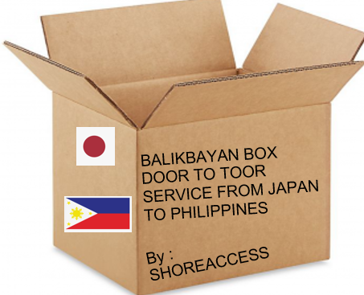
BALIKBAYAN BOX DIEMSION :
TYPE A ( Standard) - 37 cm x 55 cm x63 cm - NO WEIGH LIMIT
TYPE B ( Jumbo) - 63cm x75 cm x55 cm - NO WEIGH LIMIT

How much is the Shipping Fee:
Metro Manila
TYPE A ( Standard) - $50.00
TYPE B ( Jumbo) - $100.00

Visayas and Mindano
TYPE A ( Standard) - $60.00
TYPE B ( Jumbo) - $120.00

NOTE:
Additional shipping fees may apply for an address in remote areas that require a ferry boat.
Approximate deliver:
Metro Manila - 4 Weeks
Luzon - 4-5 weeks
Visayas - 5-6 weeks
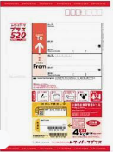
Mindanao - 5-7 weeks

※Delivery could be delayed due to the export declaration process or the delayed shipping schedule caused by natural disasters.
※Please be aware that the exact date of delivery to the final destination cannot be guaranteed.

HOW TO PAY YOUR ORDER:

1) MAILING SYSTEM IN JAPAN - Japan mailing system, we provide a Prepaid Letter pack envelope and mail it back to our office with your payment.

2 LOCAL TRANSFER: You can remit your payment via Bank remittance, GCash, Paymaya, BPI, UNION BANK, BDO, SEVEN ELEMEN and other available payment in the Philippines.



3) CREDIT/DEBIT CARD or PAYPAL:
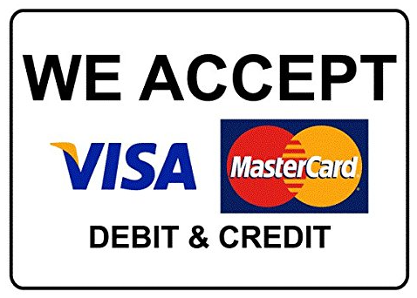

4) ORDER NOW PAYMENT LATER IS ALSO AVAILABLE VIA ATOME MOBILE APPS:
Atome APP Download | Get the Atome App - Atome｜Buy now pay later
Set up an account in seconds, buy what you love and split your purchase into 3 easy payments. Track your payment schedule, anytime, anywhere.

We can send the paymen link to process your payment while on board.

We also provide 24/7 TOPUP for the following:Please visit this link to TOPUP of chat with our staff on our FB messenger.https://www.shoreaccesscpe.com/

Please do not hesitate to contact us :
E: mail : info@shoreaccess.com / shoreaccess305@gmail.com
contact number : +81-80-4352-9051 /+81-80-5074-1934 ( in Japan / Tagalog/ English/ Japanese speaking staff)
contact number Philippines :+63-968-884-6432 /+63-917-148-6422
FB Messenger: https://www.facebook.com/shoreaccessmarine/
https://www.shoreaccessonline.com/

